How to open these patents
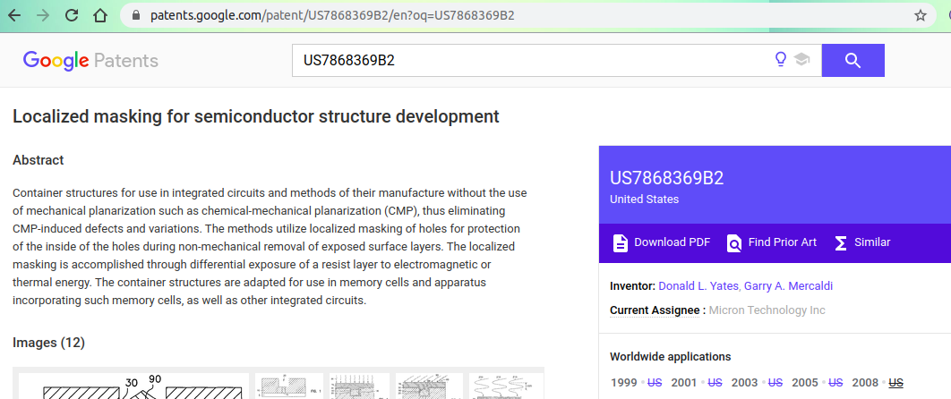
For Example: | Publication number | Google Patents Link: | https://patents.google.com/
 | US7868369B2

To open above patent, follow the below mentioned steps:
Step 1: | Copy the publication number and then go the google patents link given above


Step 2: | Paste the publication number in search bar
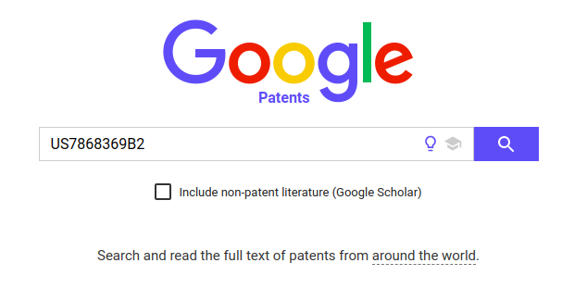

Step 3: | Press Enter or click on search icon to open the patent. The patent will open as below

